Model coeffs
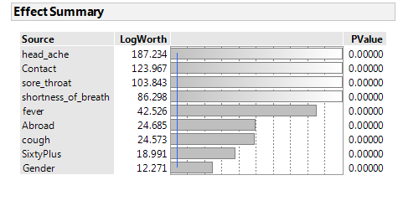
 |  |  |  |  |  | 0.13316563331
 |  |  |  |  |  | -1.8732542
Term | Estimate | skelarn | Std Error | ChiSquare | Prob>|t|
Intercept | -1.231586 | 0.14668104202 | 0.337867 | 841.12 | <.0001 | 1
cough | -0.8152183 | -0.78212582375 | 0.078358 | 108.24 | <.0001 | 1
fever | 0.887486 | 0.4918423128 | 0.064739 | 187.93 | <.0001 | 1
sore_throat | 3.045247 | 0.8814845781 | 0.17003 | 320.77 | <.0001 | 0
shortness_of_breath | 2.910913 | 1.04679524 | 0.179125 | 264.09 | <.0001 | 0
head_ache | 3.684615 | 1.2287232546 | 0.178889 | 424.25 | <.0001 | 0 |  | .
Gender | -0.4307966 | -0.11655751675 | 0.060116 | 51.35 | <.0001 | 0
Abroad | -0.7139359 | -2.4737622271 | 0.06942 | 105.77 | <.0001 | 1
Contact with a known infected person | 1.771249 | 0.61611128867 | 0.076807 | 531.81 | <.0001 | 0
SixtyPlus | 0.690878 | 0.35396371389 | 0.074893 | 85.1 | <.0001 | 0

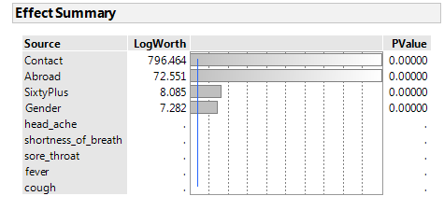
Term | Estimate |  | Std Error | ChiSquare | Prob>ChiSq
Intercept | -4.1313659 |  | 0.0530132 | 6073.2 | <.0001
Gender | -0.3818557 |  | 0.0707517 | 29.13 | <.0001
Abroad | 2.51644448 |  | 0.1103889 | 519.67 | <.0001
Contact | 5.68522723 |  | 0.1055053 | 2903.7 | <.0001
SixtyPlus | 0.5083526 |  | 0.0851079 | 35.68 | <.0001

 |  |  |  |  |  |  | 100825

